aircraft
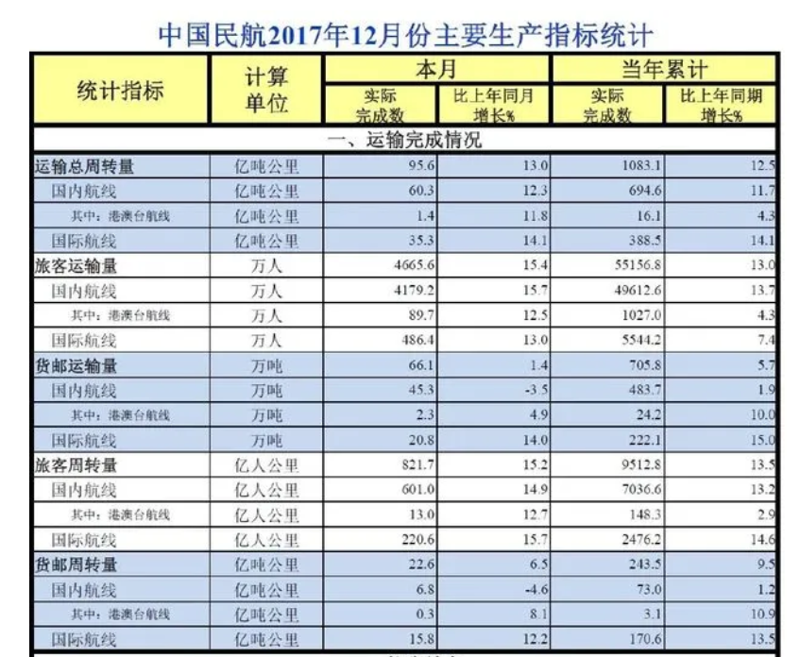
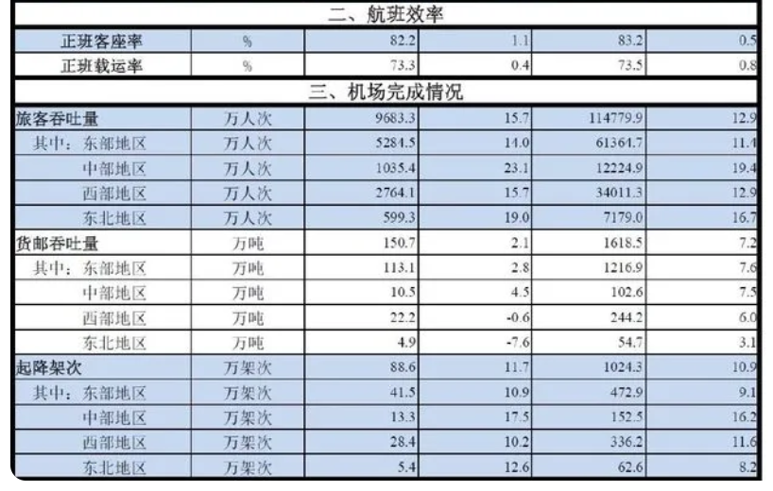
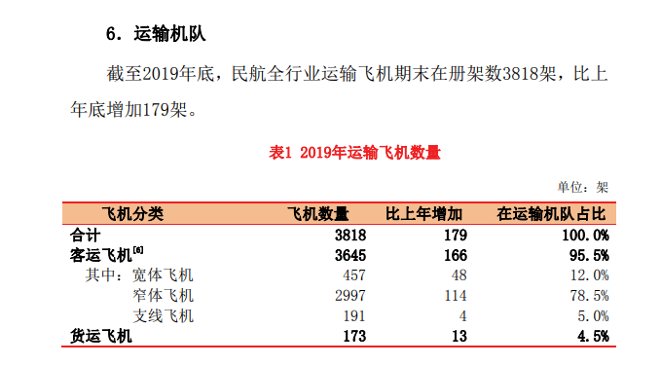

depend on other indicators
 | Passenger | Freight
AVLo | 239.7 | 29.5
SYVbT | 3479 | 173
Turn-Over | 9512.80 | 243.50 | 10^8 person/ton miles | https://baijiahao.baidu.com/s?id=1593250628267819387&wfr=spider&for=pc

Distance per vehicle | 1140737.9853 | 4771235.4267

